TEDB Edition 40
Although all states allow the conventional combinations consisting of a 28-foot semi-trailer and a 28 foot trailer, only 14 states and six state turnpike authorities allow longer combination vehicles (LCVs) on at least some parts of their road networks. LCVs are tractors pulling a semi-trailer and trailer, with at least one of them – the semi-trailer, the trailer, or both – longer than 28 feet. The routes that these LCVs can travel have not changed since 1991.

Figure 5.8. Routes Where Longer Combination Vehicles Are Permitted, 2017
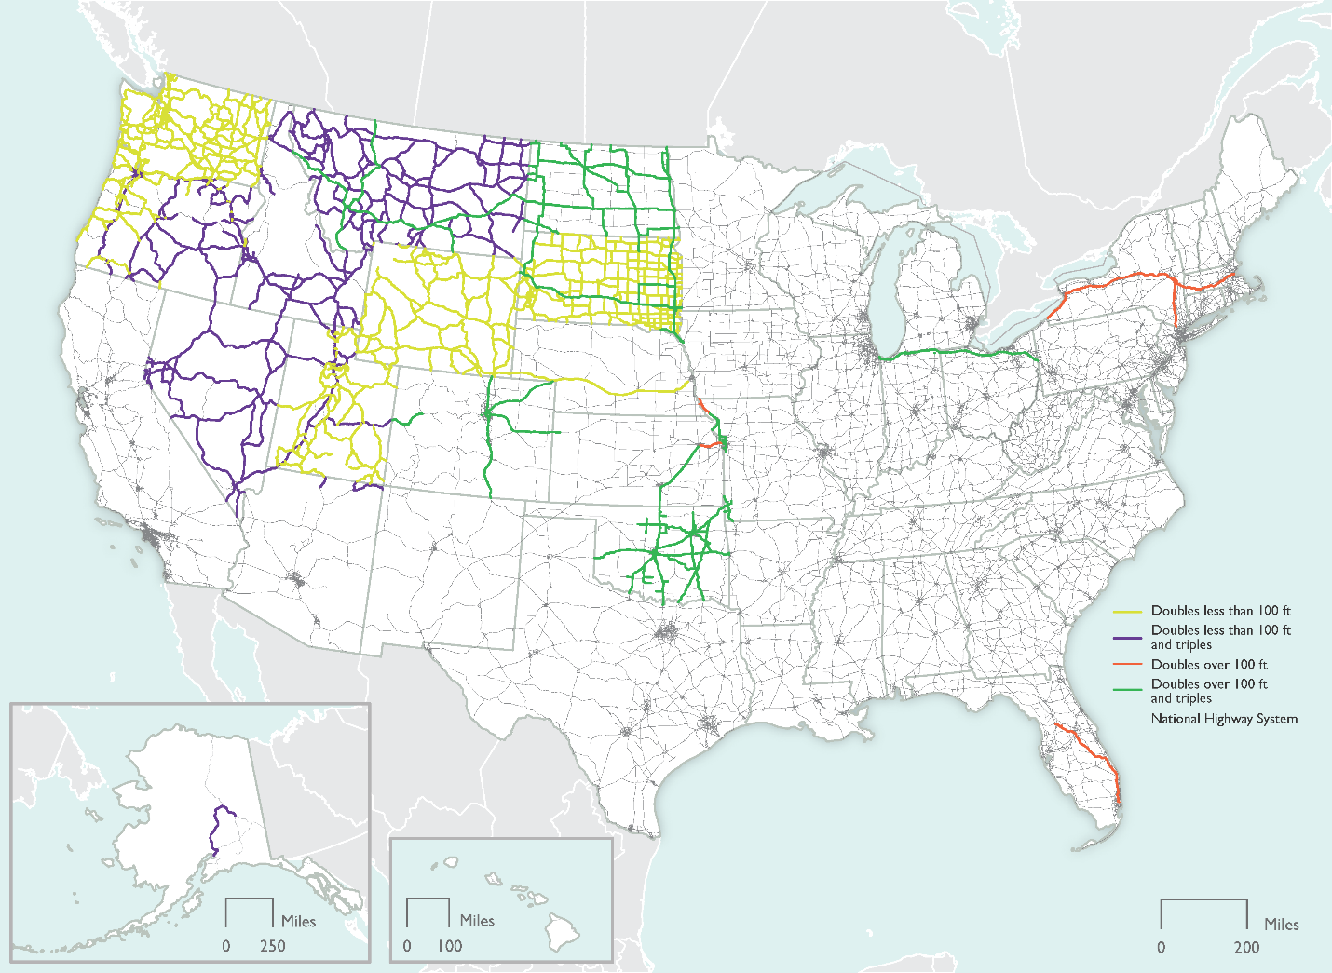

States or State Turnpike Authorities that Allow LCVs on Selected Routes
Alaska Turnpike Authority | Oklahoma
Colorado Turnpike Authority | Oregon
Florida Turnpike Authority | Nebraska Turnpike Authority
Idaho | Nevada
Indiana | New York Turnpike Authority
Kansas | North Dakota
Massachusetts | South Dakota
Missouri | Utah
Montana | Washington
Ohio Turnpike Authority | Wyoming

Note: Empty triples are allowed on I-80 in Nebraska.

Source:
U.S. Department of Transportation, Bureau of Transportation Statistics, Freight Facts and Figures digital version, July 2020. (Additional resources: www.bts.gov/product/freight-facts-and-figures).

